Sheet1
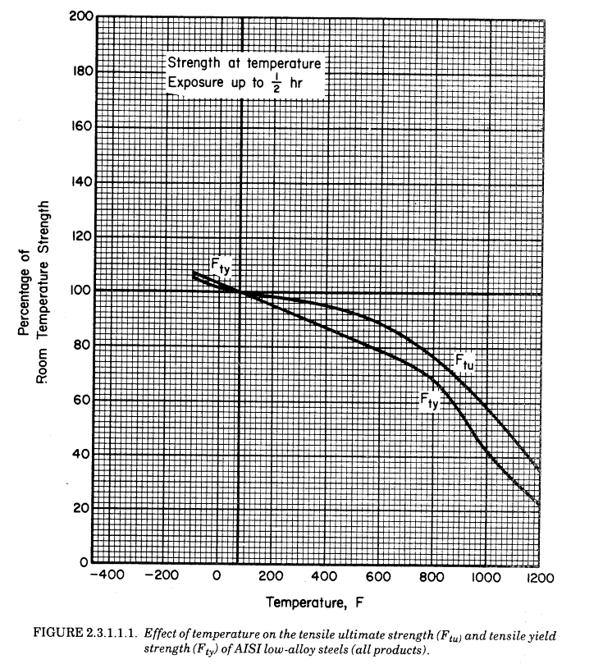
 |  |  |  |  | Fty |  | Ftu
 |  |  |  |  | r1 | 5 | r6 | 6.6
 |  |  |  |  | r2 | 1 | r7 | 2
Ftu | 1165.215 | MPa | 169000.14757 | psi | r3 | 500 | r8 | 545
Fty | 1090.2 | MPa | 158120.14167 | psi | r4 | 600 | r9 | 545
 |  |  |  |  | r5 | 0.125 | r10 | 0.25

Temperature (F) | Percent Tr Fty | Percent Tr Ftu |  | Temp C | Fty | Ftu | Fty Fit | Ftu Fit | % Error Fty | % Error Ftu
70 | 100% | 100% | 294.3 | 21.1 | 1090.2 | 1165.215 | 1089.3171449 | 1165.2131838 | -0.1% | 0.0% | 169000.14757
200 | 96% | 98% | 366.5 | 93.3 | 1041.141 | 1141.9107 | 1033.6196447 | 1157.3386424 | -0.7% | 1.4% | 165620.14462
300 | 92% | 97% | 422.0 | 148.9 | 997.533 | 1124.432475 | 992.56451128 | 1141.0837055 | -0.5% | 1.5% | 163085.1424
400 | 87% | 96% | 477.6 | 204.4 | 948.474 | 1112.780325 | 951.50142663 | 1116.2507752 | 0.3% | 0.3% | 161395.14093
500 | 83% | 93% | 533.2 | 260.0 | 904.866 | 1077.823875 | 907.39565555 | 1082.6915393 | 0.3% | 0.5% | 156325.1365
600 | 79% | 89% | 588.7 | 315.6 | 861.258 | 1037.04135 | 855.52188911 | 1039.0937788 | -0.7% | 0.2% | 150410.13134
700 | 75% | 84% | 644.3 | 371.1 | 812.199 | 978.7806 | 789.95313007 | 982.20486391 | -2.7% | 0.3% | 141960.12396
800 | 69% | 77% | 699.8 | 426.7 | 746.787 | 897.21555 | 705.19513845 | 906.65319219 | -5.6% | 1.1% | 130130.11363
900 | 57% | 68% | 755.4 | 482.2 | 621.414 | 792.3462 | 599.31891739 | 806.61164442 | -3.6% | 1.8% | 114920.10035
1000 | 43% | 59% | 810.9 | 537.8 | 463.335 | 687.47685 | 477.8833563 | 680.91425421 | 3.1% | -1.0% | 99710.087066
1100 | 32% | 47% | 866.5 | 593.3 | 348.864 | 547.65105 | 355.83366955 | 541.19365201 | 2.0% | -1.2% | 79430.069358
1200 | 23% | 36% | 922.0 | 648.9 | 250.746 | 413.651325 | 253.32086145 | 415.381913 | 1.0% | 0.4% | 59995.052387
1202 | 23% | 35% | 923.2 | 650 |  |  | 251.59219896 | 413.23818381 |  |  | 59935.131324
1292 | 17% | 29% | 973.2 | 700 |  |  | 189.1338248 | 337.84154304 |  |  | 48999.773113
1382 | 14% | 26% | 1023.2 | 750 |  |  | 155.10285025 | 302.71867702 |  |  | 43905.632084
1472 | 13% | 25% | 1073.2 | 800 |  |  | 141.18417579 | 292.82671645 |  |  | 42470.924501
1562 | 13% | 25% | 1123.2 | 850 |  |  | 137.14998666 | 291.39304426 |  |  | 42262.98793
1652 | 13% | 25% | 1173.2 | 900 |  |  | 136.37362219 | 291.30550896 |  |  | 42250.292008
1742 | 13% | 25% | 1223.2 | 950 |  |  | 136.2814387 | 291.30375834 |  |  | 42250.038102
1832 | 13% | 25% | 1273.2 | 1000 |  |  | 136.27522068 | 291.30375001 |  |  | 42250.036893
1922 | 13% | 25% | 1323.2 | 1050 |  |  | 136.27500356 | 291.30375 |  |  | 42250.036892
2012 | 13% | 25% | 1373.2 | 1100 |  |  | 136.27500002 | 291.30375 |  |  | 42250.036892
2102 | 13% | 25% | 1423.2 | 1150 |  |  | 136.275 | 291.30375 |  |  | 42250.036892
2192 | 13% | 25% | 1473.2 | 1200 |  |  | 136.275 | 291.30375 |  |  | 42250.036892

Ultimate Strength

 |  |  |  | Paper 2
 |  |  |  | Temp C | Fty | Ftu
 |  |  |  | 20 | 1090.2 | 1165.215
 |  |  |  | 100 | 1005.1 | 1095.4
 |  |  |  | 200 | 912.2 | 1102.1
 |  |  |  | 300 | 850 | 1014.2
 |  |  |  | 400 | 693.9 | 799.7
 |  |  |  | 500 | 437.2 | 495.2
 |  |  |  | 600 | 113.8 | 165.6
 |  |  |  | 700 | 64.3 | 97.4

